Sheet1
Example Data for Nanoparticle Scaling
Taken from J Phys Chem C, 118: 8134

Nanoparticle Diam (nm) | 15

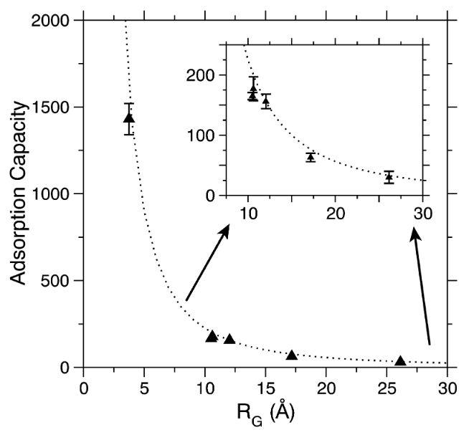
Table 1: Protein-AuNP Adsorption Capacities
 |  |  |  |  |  | Example:
Protein | Residues | RG (Å) | Observed Capacity | Uncertainty | A.
GSH | 3 | 3.75 | 1430 | 90
WW | 45 | 10.52 | 165 | 6
GB3 | 56 | 10.62 | 177 | 20
UBQ | 76 | 12.04 | 156 | 12
BCA | 259 | 17.17 | 63 | 7
BSA | 583 | 26.15 | 30 | 10

Predicted Curve

 |  | RG (Å) | Predicted Capacity
 |  | 1.00 | 22500
 |  | 1.25 | 14400
 |  | 1.50 | 10000
 |  | 1.75 | 7347
 |  | 2.00 | 5625
 |  | 2.25 | 4444
 |  | 2.50 | 3600
 |  | 2.75 | 2975
 |  | 3.00 | 2500
 |  | 3.25 | 2130
 |  | 3.50 | 1837
 |  | 3.75 | 1600
 |  | 4.00 | 1406
 |  | 4.25 | 1246
 |  | 4.50 | 1111
 |  | 4.75 | 997
 |  | 5.00 | 900
 |  | 5.25 | 816
 |  | 5.50 | 744
 |  | 5.75 | 681
 |  | 6.00 | 625
 |  | 6.25 | 576
 |  | 6.50 | 533
 |  | 6.75 | 494
 |  | 7.00 | 459
 |  | 7.25 | 428
 |  | 7.50 | 400
 |  | 7.75 | 375
 |  | 8.00 | 352
 |  | 8.25 | 331
 |  | 8.50 | 311
 |  | 8.75 | 294
 |  | 9.00 | 278
 |  | 9.25 | 263
 |  | 9.50 | 249
 |  | 9.75 | 237
 |  | 10.00 | 225
 |  | 10.25 | 214
 |  | 10.50 | 204
 |  | 10.75 | 195
 |  | 11.00 | 186
 |  | 11.25 | 178
 |  | 11.50 | 170
 |  | 11.75 | 163
 |  | 12.00 | 156
 |  | 12.25 | 150
 |  | 12.50 | 144
 |  | 12.75 | 138
 |  | 13.00 | 133
 |  | 13.25 | 128
 |  | 13.50 | 123
 |  | 13.75 | 119
 |  | 14.00 | 115
 |  | 14.25 | 111
 |  | 14.50 | 107
 |  | 14.75 | 103
 |  | 15.00 | 100
 |  | 15.25 | 97
 |  | 15.50 | 94
 |  | 15.75 | 91
 |  | 16.00 | 88
 |  | 16.25 | 85
 |  | 16.50 | 83
 |  | 16.75 | 80
 |  | 17.00 | 78
 |  | 17.25 | 76
 |  | 17.50 | 73
 |  | 17.75 | 71
 |  | 18.00 | 69
 |  | 18.25 | 68
 |  | 18.50 | 66
 |  | 18.75 | 64
 |  | 19.00 | 62
 |  | 19.25 | 61
 |  | 19.50 | 59
 |  | 19.75 | 58
 |  | 20.00 | 56
 |  | 20.25 | 55
 |  | 20.50 | 54
 |  | 20.75 | 52
 |  | 21.00 | 51
 |  | 21.25 | 50
 |  | 21.50 | 49
 |  | 21.75 | 48
 |  | 22.00 | 46
 |  | 22.25 | 45
 |  | 22.50 | 44
 |  | 22.75 | 43
 |  | 23.00 | 43
 |  | 23.25 | 42
 |  | 23.50 | 41
 |  | 23.75 | 40
 |  | 24.00 | 39
 |  | 24.25 | 38
 |  | 24.50 | 37
 |  | 24.75 | 37
 |  | 25.00 | 36
 |  | 25.25 | 35
 |  | 25.50 | 35
 |  | 25.75 | 34
 |  | 26.00 | 33
 |  | 26.25 | 33
 |  | 26.50 | 32
 |  | 26.75 | 31
 |  | 27.00 | 31
 |  | 27.25 | 30
 |  | 27.50 | 30
 |  | 27.75 | 29
 |  | 28.00 | 29
 |  | 28.25 | 28
 |  | 28.50 | 28
 |  | 28.75 | 27
 |  | 29.00 | 27
 |  | 29.25 | 26
 |  | 29.50 | 26
 |  | 29.75 | 25
 |  | 30.00 | 25

